Sponge
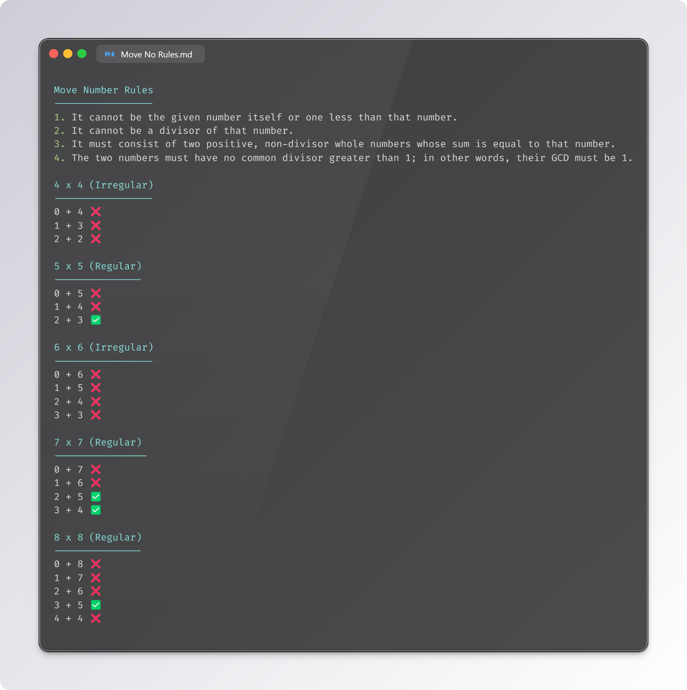
H10
H9
H8
H7
H6
H5
H4
H3
H2
H1

10
9
8
7
6
5
4
3
2
1
# | 1 | 2 | 3 | 4 | 5 | 6 | 7 | 8 | 9 | 10 |  | 1 | 2 | 3 | 4 | 5 | 6 | 7 | 8 | 9 | 10

 |  |  |  |  |  |  |  |  |  |  |  |  |  |  |  |  |  |  |  |  |  | 5 |  |  |  |  |  | 5
 |  |  |  |  | 10 Ends Sateen base; LF = 3; M => 3 |  |  |  |  |  |  |  |  |  |  |  |  |  |  |  |  | 4 |  |  |  |  |  | 4
 |  |  |  |  |  |  |  |  |  |  |  |  |  |  |  |  |  |  |  |  |  | 3 |  |  |  |  |  | 3
 |  |  |  |  |  |  |  |  |  |  |  |  |  |  |  |  |  |  |  |  |  | 2 |  |  |  |  |  | 2
 |  |  |  |  |  |  |  |  |  |  |  |  |  |  |  |  |  |  |  |  |  | 1 |  |  |  |  |  | 1
 |  | 10 |  |  |  |  |  |  |  |  |  |  |  |  |  |  |  |  |  |  |  | # | 1 | 2 | 3 | 4 | 5 | # | 1 | 2 | 3 | 4 | 5
 |  | 9 |  |  |  |  |  |  |  |  |  |  |  |  |  |  |  |  |  |  |  |  | SATEEN |  |  |  |  |  | SATIN
 |  | 8
 |  | 7
 |  | 6
 |  | 5
 |  | 4
 |  | 3
 |  | 2
 |  | 1
 |  | # | 1 | 2 | 3 | 4 | 5 | 6 | 7 | 8 | 9 | 10

